Sheet2
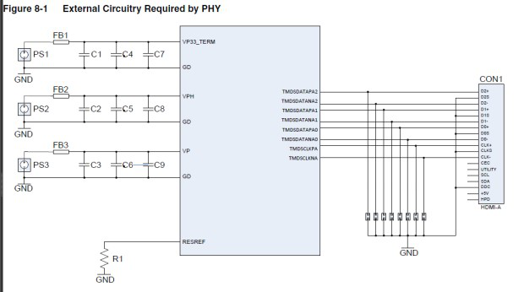
PCIE | Connect the vp and vptxN supplies together through a ferrite bead on-board. These core supplies can also be connected to the ASIC's core supply through a ferrite bead on-board
USB | Connect the vp, vptx<#>, and DVDD supplies together through a ferrite bead on-board. These core supplies can also be connected to the ASIC's core supply through a ferrite bead on-board. vph, VDDH<#>, and VDD33<#> can be tied together in the package or through a ferrite bead on-board.
HDMI

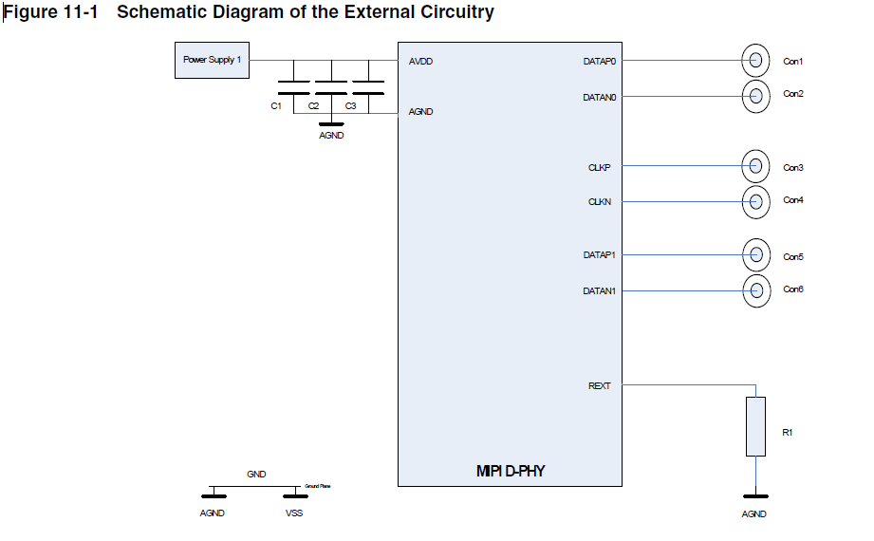
MIPI

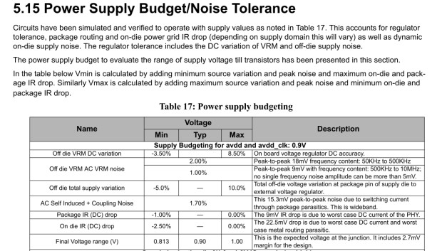
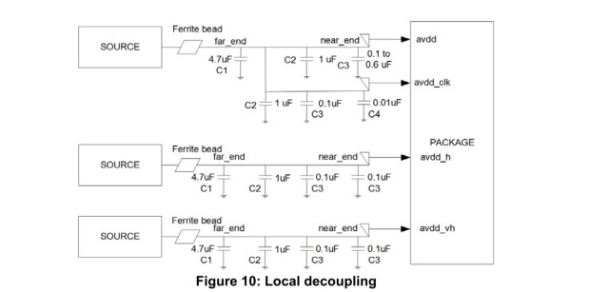
TYPEC

